PRD
Product Requirement Document (PRD) - Version: 1.0

Template Name |  | Job Portal Landing Page
Goals & Objective |  | The primary goal of the JobKhujii platform is to create a centralized, intuitive, and scalable job portal that connects job seekers with employers efficiently. The platform aims to streamline the recruitment process, provide transparency, and empower users with the tools they need to find and post jobs effortlessly.
Client Information
Product Type |  | Web Application
Domain |  | Web2
Access Layers
Design Required |  | Yes

Phase | Item No | Specification [Role] | Screen Definition | User Story | Acceptance Criteria | UI Screen / Wireframe | Tags
Feature: 1 |  | Landing page
phase 1 | 1 | Hero Section [User] | <h1>Find the Right Job, Right Now</h1><SearchBar><input=keyword><input=location><button=Search> | As a job seeker, I want to quickly search for jobs so I can find relevant opportunities. | - User can input a keyword and location - On clicking 'Search', redirect to Job Listing with filters applied | 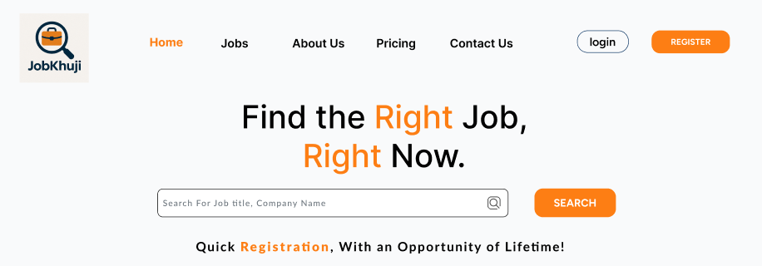 | Search
phase 1 | 2 | Navbar [User] | <3 step process UI cards> | As a user, I want to understand how this platform works in simple steps. | - 3 cards shown with icons and captions - Responsive layout |  | Click
phase 1 | 3 | Featured Jobs [User] | <JobCard title, company, time, tags, location, salary, button> | As a job seeker, I want to see featured job openings to explore opportunities quickly | Show limited featured jobs - Each card links to detailed job page | 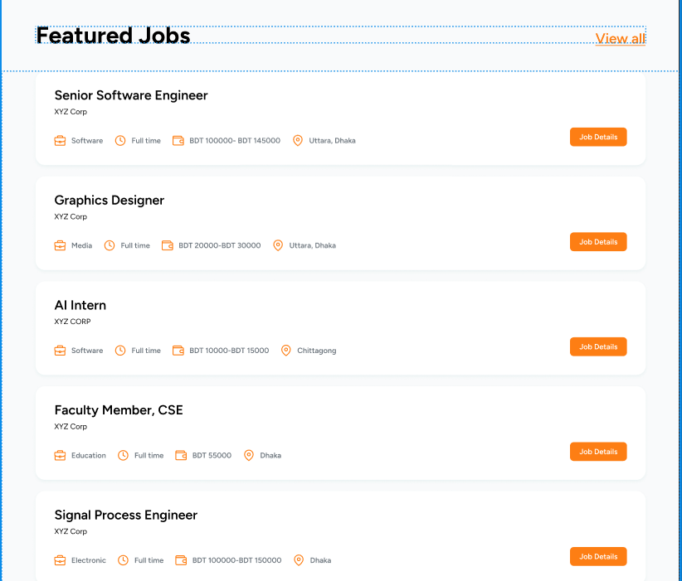
phase 1 | 4 | Browse by Category [User] | <CategoryCards> | As a user, I want to browse jobs by categories to quickly find relevant roles. | Show at least 6 categories with icons - Clicking navigates to filtered job list | 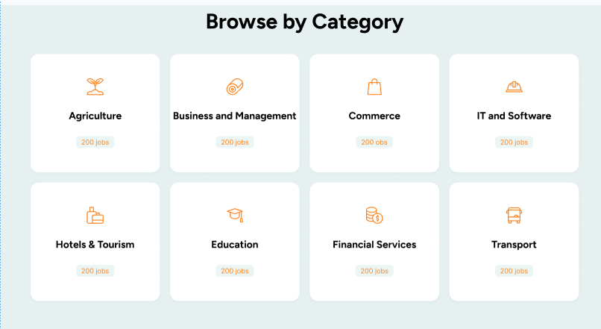
phase 1 | 5 | Featured Companies [User] | <CompanyCards> | As a job seeker, I want to explore companies hiring actively. | - At least 6 companies with logos, rating, job count | 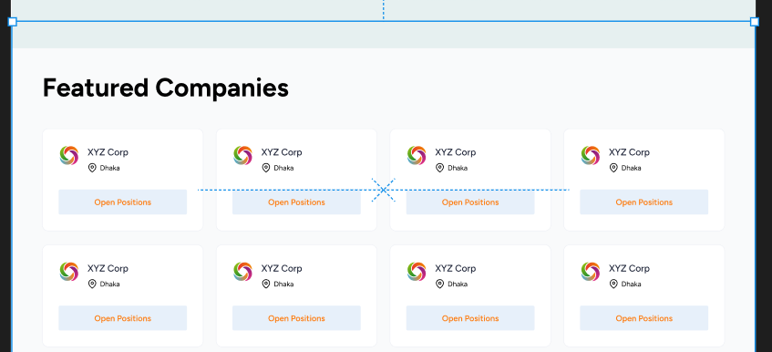
phase 1 | 6 | Success Stories [User] | <UserCards testimonials> | As a new user, I want to see testimonials for motivation. | - At least 2-3 user reviews shown with ratings and comments | 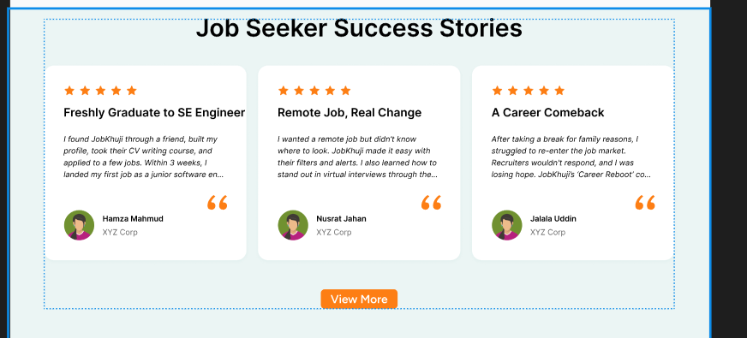
phase 1 | 7 | Footer + Registration CTA [User/Employer] | <Register Buttons for Job Seeker and Employer> | As a visitor, I want a clear option to register based on my role. | - Job seeker and employer paths differentiated - Buttons redirect to relevant forms
Feature: 2 |  | Job Listing Page

phase 2 | 1 | Job Cards [User] | <JobCard: Title, Company, Salary, Tags, Apply> | As a job seeker, I want to view job summaries and apply easily. | - All jobs show consistent layout - Clicking 'Job Details' opens full job page | 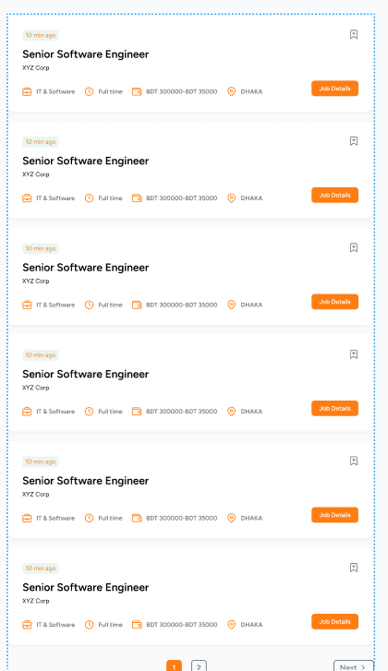 | Menu
phase 2 | 2 | Job Sort Logic [User] | <Dropdown: sort by latest/highest salary> | As a user, I want to sort job listings to see newest or highest paid first. | - Sort applies immediately to listing - Default is latest jobs
phase 2 | 3 | Pagination [User] | <Pagination Buttons> | As a user, I want to navigate through job listings pages. | - Page changes update job list - Active page is highlighted
Feature: 3 |  | Pricing Page
phase 3 | 1 | Pricing Plans Display [Employer] | <Card: Plan Name, Price, Duration, Features, CTA Button> | As an employer, I want to compare different pricing plans so I can choose the one that suits my hiring needs. | - Must show at least 3 distinct plans (e.g. Free, Standard, Premium) - Each plan must list features and a prominent "Subscribe" or "Get Started" button - Responsive design across devices | 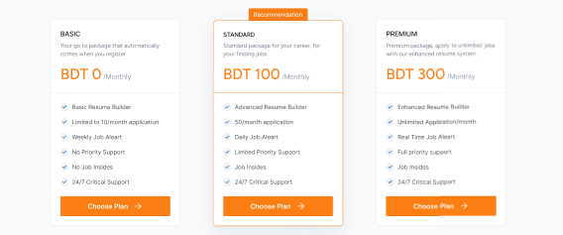
phase 3 | 2 | CTA Banner [Employer] | <Banner: Get Started Now + Button> | As an employer, I want a direct call to action for registration or upgrade. | - Visible CTA banner at bottom - Redirects to employer registration or login page
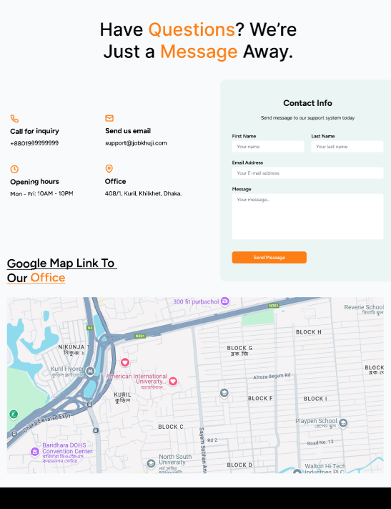
Feature: 4 |  | About Us
phase 4 | 1 | Contact CTA Section [User/Employer] | <Banner or Form: Contact Us> | As a user or employer, I want to easily contact the team for support or collaboration. | - Includes a button/link to contact form or support email - Simple layout with a clear CTA

